c4_R8
Sweep | Event Time (s) | Threshold (V) | Threshold Time (s) | Peak (V) | Peak Time (s) | AHP (V) | AHP Time (s) | Absolute Event Time (s) | Interevent Interval (s) | Max Slope (V/s) | Min Slope (V/s) | AP Duration @ 50% (s) | Threshold (mV) | Threshold Time (ms) | Peak (mV) | Peak Time (ms) | AHP m(V) | AHP Time (ms) | Interevent Interval (s) | Max Slope (V/s) | Min Slope (V/s) | Max/Min dV/dt | AP Duration @ 50% (s) | Number of Events | Time | First Event |  | Last Event |  | Copyable |  |  | dV/dt Graph
1 | 0.0075500002 | -0.051141359 | -0.00065 | 0.019506836 | 0.00034999999 | -0.058050536 | 0.00385 | 0.033280998 |  | 147.15576 | -54.748535 | 0.0012545442 | -51.124353188 | -0.66180811413 | 17.875688266 | 0.38265681657 | -57.372866697 | 8.758118093 | 36.910740011 | 135.80682605 | -48.739838192 | 2.7863618569 | 1.3775873166 | 271 | X | Y (V) | Y (mV) | Y (V) | Y (mV) |  |  |  | ReviewAP | diffAP
1 | 0.038849998 | -0.0505188 | -0.00060000003 | 0.019232178 | 0.00039999999 | -0.057482909 | 0.0046999999 | 0.064580999 | 0.031300001 | 146.11816 | -53.466797 | 0.0012773379 |  |  |  |  |  |  |  |  |  |  |  |  | 0 | -0.05414274 | -54.14274 | -0.054364014 | -54.364014 | 0 | -54.14274 | -54.364014
1 | 0.071950004 | -0.050665282 | -0.00060000003 | 0.019451905 | 0.00039999999 | -0.057861328 | 0.0042500002 | 0.097681001 | 0.033100002 | 146.60643 | -55.053711 | 0.0012639086 |  |  |  |  |  |  |  |  |  |  |  |  | 5.00E-05 | -0.054124866 | -54.124866 | -0.054357909 | -54.357909 | 0.00005 | -54.124866 | -54.357909
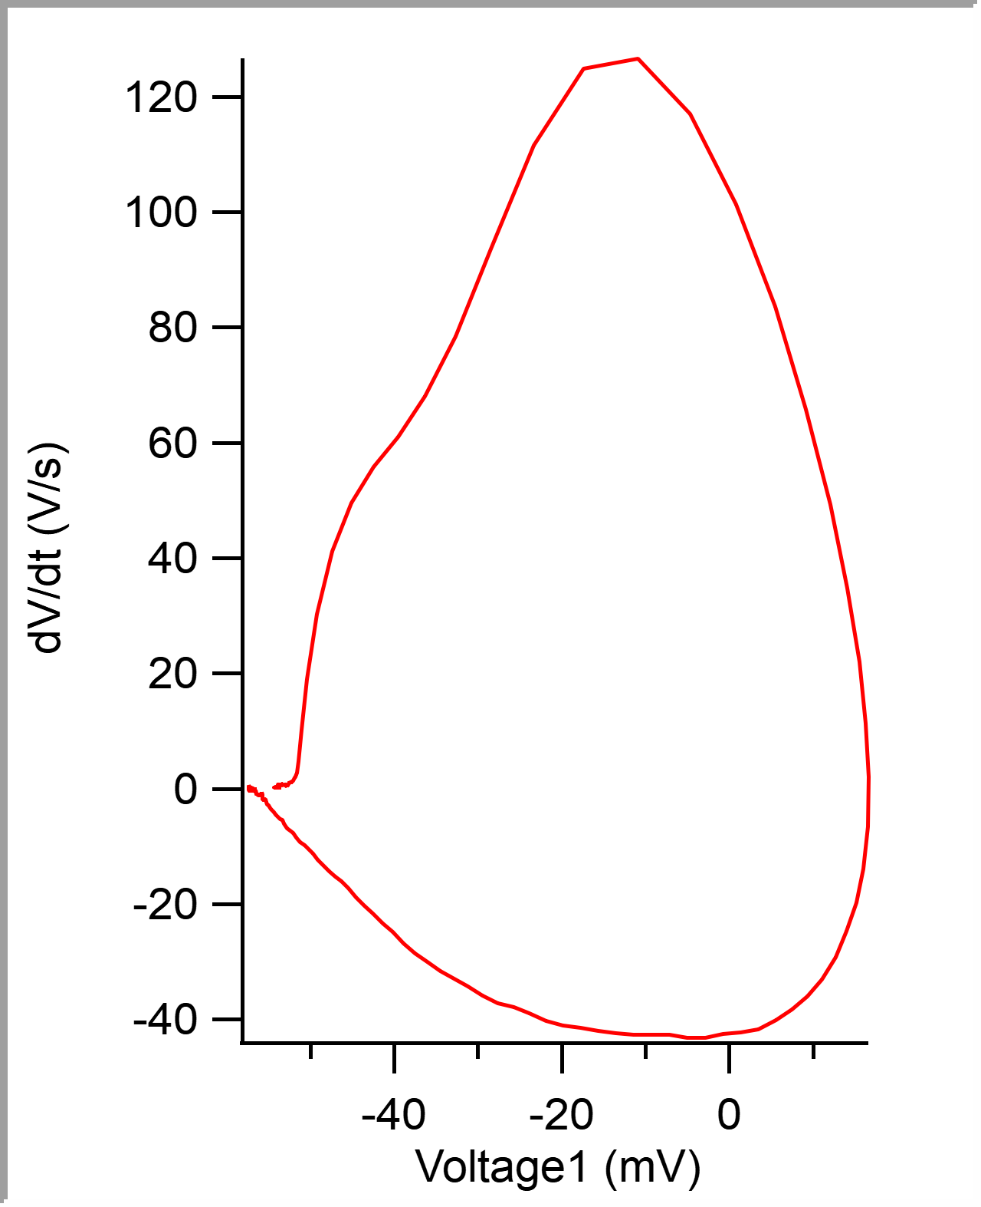
1 | 0.10405 | -0.050775148 | -0.00065 | 0.019232178 | 0.00034999999 | -0.058050536 | 0.0037499999 | 0.12978101 | 0.032100007 | 145.87402 | -53.588863 | 0.0012712661 |  |  |  |  |  |  |  |  |  |  |  |  | 0.0001 | -0.054105598 | -54.105598 | -0.054351807 | -54.351807 | 0.0001 | -54.105598 | -54.351807
1 | 0.1344 | -0.05152588 | -0.00065 | 0.019360352 | 0.00034999999 | -0.057751466 | 0.0040000002 | 0.16013099 | 0.030349985 | 143.9209 | -53.710938 | 0.0012845215 |  |  |  |  |  |  |  |  |  |  |  |  | 0.00015 | -0.05408743 | -54.08743 | -0.054339599 | -54.339599 | 0.00015 | -54.08743 | -54.339599
1 | 0.16680001 | -0.050225832 | -0.00060000003 | 0.019464111 | 0.00039999999 | -0.058105469 | 0.0038000001 | 0.192531 | 0.032400012 | 145.75195 | -55.358891 | 0.0012498038 |  |  |  |  |  |  |  |  |  |  |  |  | 0.0002 | -0.054068208 | -54.068208 | -0.054321289 | -54.321289 | 0.0002 | -54.068208 | -54.321289
1 | 0.1991 | -0.05076294 | -0.00065 | 0.019622803 | 0.00034999999 | -0.057788085 | 0.0041 | 0.224831 | 0.032299995 | 146.42334 | -55.053711 | 0.0012641564 |  |  |  |  |  |  |  |  |  |  |  |  | 0.00025 | -0.054048341 | -54.048341 | -0.054315187 | -54.315187 | 0.00025 | -54.048341 | -54.315187
1 | 0.2289 | -0.050512694 | -0.00065 | 0.018994141 | 0.00039999999 | -0.057574462 | 0.0040000002 | 0.25463101 | 0.029800013 | 143.12744 | -54.26025 | 0.0012733608 |  |  |  |  |  |  |  |  |  |  |  |  | 0.0003 | -0.054029364 | -54.029364 | -0.054302979 | -54.302979 | 0.0003 | -54.029364 | -54.302979
1 | 0.26339999 | -0.050476074 | -0.00060000003 | 0.019476319 | 0.00034999999 | -0.05784912 | 0.0038999999 | 0.28913099 | 0.034499973 | 146.78957 | -54.626461 | 0.0012661008 |  |  |  |  |  |  |  |  |  |  |  |  | 0.00035 | -0.054009471 | -54.009471 | -0.054278564 | -54.278564 | 0.00035 | -54.009471 | -54.278564
1 | 0.29660001 | -0.05078125 | -0.00065 | 0.019360352 | 0.00034999999 | -0.05758667 | 0.0035999999 | 0.32233101 | 0.033200026 | 145.81299 | -55.725098 | 0.0012603996 |  |  |  |  |  |  |  |  |  |  |  |  | 0.0004 | -0.053990591 | -53.990591 | -0.054254152 | -54.254152 | 0.0004 | -53.990591 | -54.254152
1 | 0.32890001 | -0.05050049 | -0.00065 | 0.019421387 | 0.00034999999 | -0.057330322 | 0.0036500001 | 0.35463101 | 0.032299995 | 145.01953 | -54.382328 | 0.0012665614 |  |  |  |  |  |  |  |  |  |  |  |  | 0.00045 | -0.05397227 | -53.97227 | -0.054254152 | -54.254152 | 0.00045 | -53.97227 | -54.254152
1 | 0.3617 | -0.049603272 | -0.00060000003 | 0.018823242 | 0.00039999999 | -0.057403564 | 0.0041 | 0.387431 | 0.032799989 | 141.72363 | -53.405762 | 0.001278002 |  |  |  |  |  |  |  |  |  |  |  |  | 0.0005 | -0.053952139 | -53.952139 | -0.054241944 | -54.241944 | 0.0005 | -53.952139 | -54.241944
1 | 0.39785001 | -0.04979248 | -0.00060000003 | 0.019073486 | 0.00039999999 | -0.057751466 | 0.0041 | 0.423581 | 0.036150008 | 143.49365 | -54.870605 | 0.0012603574 |  |  |  |  |  |  |  |  |  |  |  |  | 0.00055 | -0.053934012 | -53.934012 | -0.054223634 | -54.223634 | 0.00055 | -53.934012 | -54.223634
1 | 0.43059999 | -0.050433349 | -0.00065 | 0.019293213 | 0.00034999999 | -0.057818603 | 0.0037499999 | 0.45633098 | 0.032749981 | 143.49365 | -53.466797 | 0.0012823278 |  |  |  |  |  |  |  |  |  |  |  |  | 0.0006 | -0.053914718 | -53.914718 | -0.054217529 | -54.217529 | 0.0006 | -53.914718 | -54.217529
1 | 0.46470001 | -0.050598145 | -0.00065 | 0.01907959 | 0.00034999999 | -0.05769043 | 0.0039499998 | 0.49043101 | 0.034100026 | 142.82225 | -54.26025 | 0.0012676968 |  |  |  |  |  |  |  |  |  |  |  |  | 0.00065 | -0.05389487 | -53.89487 | -0.054217529 | -54.217529 | 0.00065 | -53.89487 | -54.217529
1 | 0.49724999 | -0.04991455 | -0.00060000003 | 0.018865967 | 0.00039999999 | -0.057879638 | 0.0040000002 | 0.52298099 | 0.032549977 | 142.63916 | -52.490234 | 0.001276821 |  |  |  |  |  |  |  |  |  |  |  |  | 0.0007 | -0.053875461 | -53.875461 | -0.054217529 | -54.217529 | 0.0007 | -53.875461 | -54.217529
1 | 0.53095001 | -0.049963377 | -0.00065 | 0.018884277 | 0.00034999999 | -0.057879638 | 0.0040500001 | 0.55668104 | 0.033700049 | 140.99123 | -53.771973 | 0.0012752466 |  |  |  |  |  |  |  |  |  |  |  |  | 0.00075 | -0.053856958 | -53.856958 | -0.054205321 | -54.205321 | 0.00075 | -53.856958 | -54.205321
1 | 0.56295002 | -0.050158691 | -0.00065 | 0.018823242 | 0.00034999999 | -0.058111571 | 0.0041 | 0.58868104 | 0.032000005 | 140.31982 | -54.199215 | 0.0012767304 |  |  |  |  |  |  |  |  |  |  |  |  | 0.0008 | -0.053836104 | -53.836104 | -0.054168701 | -54.168701 | 0.0008 | -53.836104 | -54.168701
1 | 0.59334999 | -0.051623534 | -0.00065 | 0.019213866 | 0.00034999999 | -0.057818603 | 0.0041 | 0.61908102 | 0.030399978 | 145.81299 | -54.382328 | 0.0012816308 |  |  |  |  |  |  |  |  |  |  |  |  | 0.00085 | -0.053815167 | -53.815167 | -0.054168701 | -54.168701 | 0.00085 | -53.815167 | -54.168701
1 | 0.62664998 | -0.050213624 | -0.00065 | 0.018853759 | 0.00034999999 | -0.057366945 | 0.0038999999 | 0.652381 | 0.033299983 | 140.19774 | -53.833012 | 0.0012791333 |  |  |  |  |  |  |  |  |  |  |  |  | 0.0009 | -0.053794503 | -53.794503 | -0.054150391 | -54.150391 | 0.0009 | -53.794503 | -54.150391
1 | 0.65939999 | -0.050823975 | -0.00065 | 0.018743897 | 0.00034999999 | -0.05730591 | 0.0040000002 | 0.68513101 | 0.03275001 | 142.51709 | -51.757813 | 0.0013008969 |  |  |  |  |  |  |  |  |  |  |  |  | 0.00095 | -0.053772841 | -53.772841 | -0.054132082 | -54.132082 | 0.00095 | -53.772841 | -54.132082
1 | 0.69305003 | -0.051281739 | -0.00065 | 0.019085694 | 0.00034999999 | -0.057281494 | 0.0038999999 | 0.71878105 | 0.033650041 | 143.12744 | -52.429199 | 0.0012930696 |  |  |  |  |  |  |  |  |  |  |  |  | 0.001 | -0.053752307 | -53.752307 | -0.054113768 | -54.113768 | 0.001 | -53.752307 | -54.113768
1 | 0.72780001 | -0.051007081 | -0.00060000003 | 0.018859863 | 0.00039999999 | -0.05774536 | 0.0040500001 | 0.75353104 | 0.034749985 | 143.67676 | -53.344723 | 0.0012888502 |  |  |  |  |  |  |  |  |  |  |  |  | 0.00105 | -0.053732153 | -53.732153 | -0.054077148 | -54.077148 | 0.00105 | -53.732153 | -54.077148
1 | 0.7604 | -0.051470947 | -0.00065 | 0.019006347 | 0.00039999999 | -0.057562254 | 0.0038999999 | 0.78613102 | 0.032599986 | 145.08057 | -53.466797 | 0.001291315 |  |  |  |  |  |  |  |  |  |  |  |  | 0.0011 | -0.05371131 | -53.71131 | -0.054046631 | -54.046631 | 0.0011 | -53.71131 | -54.046631
1 | 0.79030001 | -0.05078125 | -0.00065 | 0.018884277 | 0.00034999999 | -0.057434082 | 0.0040000002 | 0.81603104 | 0.029900014 | 142.76123 | -53.161625 | 0.0012863594 |  |  |  |  |  |  |  |  |  |  |  |  | 0.00115 | -0.053689506 | -53.689506 | -0.054028321 | -54.028321 | 0.00115 | -53.689506 | -54.028321
1 | 0.82244998 | -0.050695799 | -0.00065 | 0.018896485 | 0.00034999999 | -0.057861328 | 0.0041999999 | 0.84818101 | 0.032149971 | 141.90675 | -52.490234 | 0.0012978666 |  |  |  |  |  |  |  |  |  |  |  |  | 0.0012 | -0.053669032 | -53.669032 | -0.053997803 | -53.997803 | 0.0012 | -53.669032 | -53.997803
1 | 0.85184997 | -0.051434327 | -0.00065 | 0.018878173 | 0.00039999999 | -0.0574646 | 0.0040500001 | 0.877581 | 0.029399991 | 143.61572 | -51.879883 | 0.0013111287 |  |  |  |  |  |  |  |  |  |  |  |  | 0.00125 | -0.05364811 | -53.64811 | -0.053973388 | -53.973388 | 0.00125 | -53.64811 | -53.973388
1 | 0.88274997 | -0.051245116 | -0.00065 | 0.018670654 | 0.00034999999 | -0.057995606 | 0.0037499999 | 0.908481 | 0.030900002 | 142.15088 | -52.429195 | 0.0012949011 |  |  |  |  |  |  |  |  |  |  |  |  | 0.0013 | -0.053625904 | -53.625904 | -0.05396118 | -53.96118 | 0.0013 | -53.625904 | -53.96118
1 | 0.91495001 | -0.050988771 | -0.00065 | 0.018920898 | 0.00039999999 | -0.057647705 | 0.0037499999 | 0.94068104 | 0.032200038 | 142.15088 | -53.771973 | 0.0012839319 |  |  |  |  |  |  |  |  |  |  |  |  | 0.00135 | -0.053605862 | -53.605862 | -0.053936768 | -53.936768 | 0.00135 | -53.605862 | -53.936768
1 | 0.94515002 | -0.050878905 | -0.00065 | 0.018597413 | 0.00039999999 | -0.057330322 | 0.0043000001 | 0.97088104 | 0.030200005 | 141.6626 | -51.513672 | 0.0013092489 |  |  |  |  |  |  |  |  |  |  |  |  | 0.0014 | -0.053584922 | -53.584922 | -0.053924561 | -53.924561 | 0.0014 | -53.584922 | -53.924561
1 | 0.98150003 | -0.050592043 | -0.00065 | 0.018804932 | 0.00034999999 | -0.057495117 | 0.0041 | 1.007231 | 0.036349952 | 142.45605 | -52.124023 | 0.0012942641 |  |  |  |  |  |  |  |  |  |  |  |  | 0.00145 | -0.053563129 | -53.563129 | -0.053894043 | -53.894043 | 0.00145 | -53.563129 | -53.894043
1 | 1.0148 | -0.051672362 | -0.00065 | 0.019024659 | 0.00034999999 | -0.057836913 | 0.0041499999 | 1.0405309 | 0.033299923 | 143.98193 | -52.490234 | 0.0013077508 |  |  |  |  |  |  |  |  |  |  |  |  | 0.0015 | -0.05354071 | -53.54071 | -0.053851318 | -53.851318 | 0.0015 | -53.54071 | -53.851318
1 | 1.04855 | -0.051037598 | -0.00065 | 0.018554688 | 0.00034999999 | -0.057507325 | 0.0041999999 | 1.074281 | 0.033750057 | 142.08984 | -51.879883 | 0.00130009 |  |  |  |  |  |  |  |  |  |  |  |  | 0.00155 | -0.05351872 | -53.51872 | -0.05380249 | -53.80249 | 0.00155 | -53.51872 | -53.80249
1 | 1.08175 | -0.050543211 | -0.00065 | 0.01850586 | 0.00034999999 | -0.05762329 | 0.0042500002 | 1.107481 | 0.033200026 | 138.67188 | -51.635746 | 0.0012933284 |  |  |  |  |  |  |  |  |  |  |  |  | 0.0016 | -0.053495038 | -53.495038 | -0.053790282 | -53.790282 | 0.0016 | -53.495038 | -53.790282
1 | 1.1153001 | -0.050433349 | -0.00065 | 0.018695068 | 0.00034999999 | -0.057281494 | 0.0040500001 | 1.141031 | 0.033550024 | 139.22119 | -52.368164 | 0.0013016585 |  |  |  |  |  |  |  |  |  |  |  |  | 0.00165 | -0.053470433 | -53.470433 | -0.053765871 | -53.765871 | 0.00165 | -53.470433 | -53.765871
1 | 1.1501 | -0.050592043 | -0.00065 | 0.018634032 | 0.00039999999 | -0.057482909 | 0.0043000001 | 1.175831 | 0.034799933 | 140.19775 | -51.025394 | 0.0013195445 |  |  |  |  |  |  |  |  |  |  |  |  | 0.0017 | -0.05344798 | -53.44798 | -0.053747557 | -53.747557 | 0.0017 | -53.44798 | -53.747557
1 | 1.18205 | -0.050390624 | -0.00060000003 | 0.018591309 | 0.00039999999 | -0.057458498 | 0.0041 | 1.207781 | 0.031949997 | 141.2964 | -52.246098 | 0.0013028842 |  |  |  |  |  |  |  |  |  |  |  |  | 0.00175 | -0.053424068 | -53.424068 | -0.053753663 | -53.753663 | 0.00175 | -53.424068 | -53.753663
1 | 1.217 | -0.051312257 | -0.00065 | 0.018884277 | 0.00034999999 | -0.057977296 | 0.0043000001 | 1.242731 | 0.034950018 | 142.82228 | -53.283688 | 0.0012940569 |  |  |  |  |  |  |  |  |  |  |  |  | 0.0018 | -0.053402927 | -53.402927 | -0.053747557 | -53.747557 | 0.0018 | -53.402927 | -53.747557
1 | 1.2502 | -0.051324464 | -0.00065 | 0.019116212 | 0.00034999999 | -0.057543945 | 0.0039499998 | 1.275931 | 0.033200026 | 142.82227 | -53.161625 | 0.0012997555 |  |  |  |  |  |  |  |  |  |  |  |  | 0.00185 | -0.053379979 | -53.379979 | -0.05371704 | -53.71704 | 0.00185 | -53.379979 | -53.71704
1 | 1.28795 | -0.050250243 | -0.00060000003 | 0.018914795 | 0.00039999999 | -0.057702638 | 0.0043500001 | 1.313681 | 0.037750006 | 142.57813 | -52.978516 | 0.0012951032 |  |  |  |  |  |  |  |  |  |  |  |  | 0.0019 | -0.053356197 | -53.356197 | -0.053686522 | -53.686522 | 0.0019 | -53.356197 | -53.686522
1 | 1.3204 | -0.050689697 | -0.00065 | 0.018621827 | 0.00039999999 | -0.057794191 | 0.0045500002 | 1.346131 | 0.032449961 | 140.86914 | -52.246094 | 0.0013058507 |  |  |  |  |  |  |  |  |  |  |  |  | 0.00195 | -0.053332482 | -53.332482 | -0.0536438 | -53.6438 | 0.00195 | -53.332482 | -53.6438
1 | 1.35475 | -0.050964355 | -0.00065 | 0.018707275 | 0.00034999999 | -0.057672121 | 0.0041499999 | 1.380481 | 0.034350038 | 144.04295 | -52.67334 | 0.001293136 |  |  |  |  |  |  |  |  |  |  |  |  | 0.002 | -0.053308915 | -53.308915 | -0.053594969 | -53.594969 | 0.002 | -53.308915 | -53.594969
1 | 1.3865 | -0.051373292 | -0.00065 | 0.018713379 | 0.00034999999 | -0.058032226 | 0.0049000001 | 1.412231 | 0.031749964 | 140.07568 | -52.490234 | 0.001305172 |  |  |  |  |  |  |  |  |  |  |  |  | 0.00205 | -0.053284295 | -53.284295 | -0.053570557 | -53.570557 | 0.00205 | -53.284295 | -53.570557
1 | 1.4189 | -0.051159669 | -0.00065 | 0.01864624 | 0.00034999999 | -0.057415772 | 0.0042500002 | 1.444631 | 0.032400012 | 142.57813 | -49.987793 | 0.0013276379 |  |  |  |  |  |  |  |  |  |  |  |  | 0.0021 | -0.053259149 | -53.259149 | -0.05352173 | -53.52173 | 0.0021 | -53.259149 | -53.52173
1 | 1.45635 | -0.050860595 | -0.00065 | 0.018798828 | 0.00039999999 | -0.057238769 | 0.0046999999 | 1.4820809 | 0.037449956 | 142.45605 | -51.025391 | 0.0013205323 |  |  |  |  |  |  |  |  |  |  |  |  | 0.00215 | -0.053233244 | -53.233244 | -0.053479005 | -53.479005 | 0.00215 | -53.233244 | -53.479005
1 | 1.494 | -0.050421141 | -0.00065 | 0.018762207 | 0.00039999999 | -0.057720948 | 0.0048000002 | 1.5197309 | 0.037649989 | 141.23535 | -51.574707 | 0.0013114775 |  |  |  |  |  |  |  |  |  |  |  |  | 0.0022 | -0.053208318 | -53.208318 | -0.053442381 | -53.442381 | 0.0022 | -53.208318 | -53.442381
1 | 1.52955 | -0.051196288 | -0.00065 | 0.018872071 | 0.00039999999 | -0.057733156 | 0.0048500001 | 1.5552809 | 0.035549998 | 142.15088 | -52.978516 | 0.0013079277 |  |  |  |  |  |  |  |  |  |  |  |  | 0.00225 | -0.053182762 | -53.182762 | -0.053387452 | -53.387452 | 0.00225 | -53.182762 | -53.387452
1 | 1.56305 | -0.050854493 | -0.00065 | 0.018548584 | 0.00039999999 | -0.057055663 | 0.0043500001 | 1.588781 | 0.033500075 | 140.93018 | -52.67334 | 0.0012972667 |  |  |  |  |  |  |  |  |  |  |  |  | 0.0023 | -0.053157639 | -53.157639 | -0.053356934 | -53.356934 | 0.0023 | -53.157639 | -53.356934
1 | 1.598 | -0.050854493 | -0.00065 | 0.018707275 | 0.00039999999 | -0.057647705 | 0.0043500001 | 1.623731 | 0.034950018 | 141.23535 | -51.879883 | 0.0013069285 |  |  |  |  |  |  |  |  |  |  |  |  | 0.00235 | -0.053131897 | -53.131897 | -0.053326417 | -53.326417 | 0.00235 | -53.131897 | -53.326417
1 | 1.6293 | -0.051208496 | -0.00065 | 0.018572997 | 0.00039999999 | -0.057189941 | 0.0053500002 | 1.655031 | 0.031299949 | 139.95363 | -50.720219 | 0.0013314892 |  |  |  |  |  |  |  |  |  |  |  |  | 0.0024 | -0.053105436 | -53.105436 | -0.053295899 | -53.295899 | 0.0024 | -53.105436 | -53.295899
1 | 1.66535 | -0.050567627 | -0.00060000003 | 0.018566895 | 0.00039999999 | -0.057537843 | 0.0041499999 | 1.6910809 | 0.036049962 | 141.35742 | -52.124023 | 0.0012985441 |  |  |  |  |  |  |  |  |  |  |  |  | 0.00245 | -0.053078815 | -53.078815 | -0.053283691 | -53.283691 | 0.00245 | -53.078815 | -53.283691
1 | 1.6984 | -0.050964355 | -0.00065 | 0.01862793 | 0.00039999999 | -0.057562254 | 0.00495 | 1.724131 | 0.03305006 | 143.00537 | -51.940918 | 0.0013105902 |  |  |  |  |  |  |  |  |  |  |  |  | 0.0025 | -0.053052705 | -53.052705 | -0.053247072 | -53.247072 | 0.0025 | -53.052705 | -53.247072
1 | 1.73175 | -0.050524902 | -0.00060000003 | 0.018701172 | 0.00039999999 | -0.057385255 | 0.0041499999 | 1.757481 | 0.033349991 | 140.50293 | -50.537109 | 0.0013197962 |  |  |  |  |  |  |  |  |  |  |  |  | 0.00255 | -0.053024337 | -53.024337 | -0.053228758 | -53.228758 | 0.00255 | -53.024337 | -53.228758
1 | 1.7667 | -0.051403809 | -0.00065 | 0.018756103 | 0.00034999999 | -0.057275392 | 0.0046000001 | 1.792431 | 0.034950018 | 142.94432 | -49.987793 | 0.0013331576 |  |  |  |  |  |  |  |  |  |  |  |  | 0.0026 | -0.052996077 | -52.996077 | -0.053204346 | -53.204346 | 0.0026 | -52.996077 | -53.204346
1 | 1.80155 | -0.051049806 | -0.00065 | 0.018609619 | 0.00039999999 | -0.057714842 | 0.00495 | 1.827281 | 0.034850001 | 140.99121 | -50.170898 | 0.0013336341 |  |  |  |  |  |  |  |  |  |  |  |  | 0.00265 | -0.052967567 | -52.967567 | -0.053149413 | -53.149413 | 0.00265 | -52.967567 | -53.149413
1 | 1.8365 | -0.051324464 | -0.00065 | 0.018792724 | 0.00034999999 | -0.057580568 | 0.00495 | 1.862231 | 0.034950018 | 141.35742 | -51.452633 | 0.0013158045 |  |  |  |  |  |  |  |  |  |  |  |  | 0.0027 | -0.05294054 | -52.94054 | -0.053112794 | -53.112794 | 0.0027 | -52.94054 | -53.112794
1 | 1.8732001 | -0.050665282 | -0.00065 | 0.018511962 | 0.00034999999 | -0.05730591 | 0.0041 | 1.898931 | 0.03670001 | 140.13672 | -51.635742 | 0.0013121042 |  |  |  |  |  |  |  |  |  |  |  |  | 0.00275 | -0.052912548 | -52.912548 | -0.05307617 | -53.07617 | 0.00275 | -52.912548 | -53.07617
1 | 1.91205 | -0.050347902 | -0.00065 | 0.018572997 | 0.00034999999 | -0.057476807 | 0.00385 | 1.937781 | 0.03884995 | 138.3667 | -52.124023 | 0.001314617 |  |  |  |  |  |  |  |  |  |  |  |  | 0.0028 | -0.052883945 | -52.883945 | -0.053021241 | -53.021241 | 0.0028 | -52.883945 | -53.021241
1 | 1.9507 | -0.050695799 | -0.00065 | 0.01878662 | 0.00039999999 | -0.057812501 | 0.0040000002 | 1.976431 | 0.038650036 | 141.11328 | -51.879883 | 0.001315216 |  |  |  |  |  |  |  |  |  |  |  |  | 0.00285 | -0.052854568 | -52.854568 | -0.053002931 | -53.002931 | 0.00285 | -52.854568 | -53.002931
1 | 1.9867001 | -0.050628662 | -0.00060000003 | 0.018713379 | 0.00039999999 | -0.057897948 | 0.0041499999 | 2.0124311 | 0.036000133 | 141.96777 | -52.79541 | 0.0012971996 |  |  |  |  |  |  |  |  |  |  |  |  | 0.0029 | -0.052824743 | -52.824743 | -0.052978516 | -52.978516 | 0.0029 | -52.824743 | -52.978516
1 | 2.0204999 | -0.050836183 | -0.00065 | 0.018389892 | 0.00039999999 | -0.057312012 | 0.0040500001 | 2.046231 | 0.033799887 | 139.28221 | -51.025394 | 0.0013285069 |  |  |  |  |  |  |  |  |  |  |  |  | 0.00295 | -0.0527937 | -52.7937 | -0.0529541 | -52.9541 | 0.00295 | -52.7937 | -52.9541
1 | 2.0552001 | -0.051379394 | -0.00065 | 0.018554688 | 0.00034999999 | -0.057293702 | 0.0046000001 | 2.0809312 | 0.034700155 | 138.85497 | -50.415039 | 0.0013319989 |  |  |  |  |  |  |  |  |  |  |  |  | 0.003 | -0.05276205 | -52.76205 | -0.05293579 | -52.93579 | 0.003 | -52.76205 | -52.93579
1 | 2.0896499 | -0.050775148 | -0.00065 | 0.01838379 | 0.00039999999 | -0.057348631 | 0.0052999998 | 2.115381 | 0.034449816 | 139.95363 | -50.964355 | 0.0013325004 |  |  |  |  |  |  |  |  |  |  |  |  | 0.00305 | -0.052730806 | -52.730806 | -0.052905273 | -52.905273 | 0.00305 | -52.730806 | -52.905273
1 | 2.12325 | -0.051434327 | -0.00069999998 | 0.018273925 | 0.00034999999 | -0.057232667 | 0.0042500002 | 2.1489811 | 0.033600092 | 140.31982 | -50.231934 | 0.001341881 |  |  |  |  |  |  |  |  |  |  |  |  | 0.0031 | -0.052698817 | -52.698817 | -0.052868653 | -52.868653 | 0.0031 | -52.698817 | -52.868653
1 | 2.1561501 | -0.051324464 | -0.00065 | 0.018176269 | 0.00039999999 | -0.057055663 | 0.0044499999 | 2.1818812 | 0.032900095 | 139.70947 | -50.476078 | 0.0013430966 |  |  |  |  |  |  |  |  |  |  |  |  | 0.00315 | -0.052665051 | -52.665051 | -0.052838136 | -52.838136 | 0.00315 | -52.665051 | -52.838136
1 | 2.1925499 | -0.051245116 | -0.00065 | 0.018347168 | 0.00039999999 | -0.057415772 | 0.0041499999 | 2.218281 | 0.036399841 | 139.34326 | -51.330563 | 0.0013304909 |  |  |  |  |  |  |  |  |  |  |  |  | 0.0032 | -0.052633066 | -52.633066 | -0.052807618 | -52.807618 | 0.0032 | -52.633066 | -52.807618
1 | 2.2260001 | -0.050756834 | -0.00065 | 0.018243408 | 0.00039999999 | -0.057250977 | 0.0041 | 2.2517312 | 0.033450127 | 138.855 | -50.720215 | 0.001325373 |  |  |  |  |  |  |  |  |  |  |  |  | 0.00325 | -0.052599113 | -52.599113 | -0.052783202 | -52.783202 | 0.00325 | -52.599113 | -52.783202
1 | 2.2642 | -0.049859621 | -0.00065 | 0.01819458 | 0.00039999999 | -0.057165526 | 0.0041 | 2.2899311 | 0.038199902 | 137.51222 | -50.90332 | 0.0013115312 |  |  |  |  |  |  |  |  |  |  |  |  | 0.0033 | -0.052565623 | -52.565623 | -0.052764893 | -52.764893 | 0.0033 | -52.565623 | -52.764893
1 | 2.2992499 | -0.051171876 | -0.00065 | 0.018377686 | 0.00039999999 | -0.057647705 | 0.0051000002 | 2.324981 | 0.035049915 | 138.91602 | -50.170902 | 0.0013314029 |  |  |  |  |  |  |  |  |  |  |  |  | 0.00335 | -0.052530944 | -52.530944 | -0.052734375 | -52.734375 | 0.00335 | -52.530944 | -52.734375
1 | 2.336 | -0.051306151 | -0.00065 | 0.018426513 | 0.00034999999 | -0.057177734 | 0.0042500002 | 2.3617311 | 0.036750078 | 139.89258 | -51.086426 | 0.001334358 |  |  |  |  |  |  |  |  |  |  |  |  | 0.0034 | -0.05249536 | -52.49536 | -0.052709959 | -52.709959 | 0.0034 | -52.49536 | -52.709959
1 | 2.3691499 | -0.051336668 | -0.00065 | 0.018365478 | 0.00039999999 | -0.057562254 | 0.0058499998 | 2.394881 | 0.033149958 | 139.03809 | -50.842285 | 0.0013441703 |  |  |  |  |  |  |  |  |  |  |  |  | 0.00345 | -0.052458178 | -52.458178 | -0.05269165 | -52.69165 | 0.00345 | -52.458178 | -52.69165
1 | 2.4138999 | -0.050872803 | -0.00065 | 0.018695068 | 0.00034999999 | -0.057806395 | 0.0047499998 | 2.439631 | 0.044749975 | 141.54053 | -52.978516 | 0.0013064594 |  |  |  |  |  |  |  |  |  |  |  |  | 0.0035 | -0.052420344 | -52.420344 | -0.052648924 | -52.648924 | 0.0035 | -52.420344 | -52.648924
1 | 2.4500999 | -0.051049806 | -0.00060000003 | 0.018676758 | 0.00039999999 | -0.057507325 | 0.0046999999 | 2.475831 | 0.036200047 | 141.6626 | -51.208496 | 0.0013316538 |  |  |  |  |  |  |  |  |  |  |  |  | 0.00355 | -0.052382417 | -52.382417 | -0.052606203 | -52.606203 | 0.00355 | -52.382417 | -52.606203
1 | 2.4839499 | -0.050897218 | -0.00069999998 | 0.018176269 | 0.00034999999 | -0.057312012 | 0.0046000001 | 2.509681 | 0.033849955 | 137.75635 | -50.354004 | 0.0013302834 |  |  |  |  |  |  |  |  |  |  |  |  | 0.0036 | -0.052341737 | -52.341737 | -0.052557372 | -52.557372 | 0.0036 | -52.341737 | -52.557372
1 | 2.5232501 | -0.051153563 | -0.00065 | 0.01864624 | 0.00034999999 | -0.057232667 | 0.0043500001 | 2.5489812 | 0.039300203 | 139.70947 | -52.429195 | 0.0013193153 |  |  |  |  |  |  |  |  |  |  |  |  | 0.00365 | -0.052297991 | -52.297991 | -0.052502442 | -52.502442 | 0.00365 | -52.297991 | -52.502442
1 | 2.5613 | -0.050573729 | -0.00065 | 0.018286133 | 0.00039999999 | -0.057104491 | 0.0040500001 | 2.5870311 | 0.038049936 | 138.00049 | -51.025387 | 0.0013372819 |  |  |  |  |  |  |  |  |  |  |  |  | 0.0037 | -0.052254092 | -52.254092 | -0.052435301 | -52.435301 | 0.0037 | -52.254092 | -52.435301
1 | 2.6006999 | -0.051129151 | -0.00065 | 0.018499756 | 0.00039999999 | -0.057061769 | 0.0041 | 2.626431 | 0.039399862 | 141.05225 | -50.598141 | 0.0013399413 |  |  |  |  |  |  |  |  |  |  |  |  | 0.00375 | -0.052206073 | -52.206073 | -0.052386474 | -52.386474 | 0.00375 | -52.206073 | -52.386474
1 | 2.6363001 | -0.050445557 | -0.00065 | 0.018316651 | 0.00039999999 | -0.057556152 | 0.0044499999 | 2.6620312 | 0.035600185 | 136.53564 | -51.025394 | 0.001339996 |  |  |  |  |  |  |  |  |  |  |  |  | 0.0038 | -0.052156162 | -52.156162 | -0.052343749 | -52.343749 | 0.0038 | -52.156162 | -52.343749
1 | 2.67155 | -0.051373292 | -0.00065 | 0.018304443 | 0.00034999999 | -0.057452392 | 0.0043000001 | 2.6972811 | 0.035249949 | 138.67186 | -50.720219 | 0.0013365006 |  |  |  |  |  |  |  |  |  |  |  |  | 0.00385 | -0.05210397 | -52.10397 | -0.052282713 | -52.282713 | 0.00385 | -52.10397 | -52.282713
1 | 2.7077501 | -0.050964355 | -0.00065 | 0.018341064 | 0.00034999999 | -0.057482909 | 0.0044 | 2.7334812 | 0.036200047 | 139.70947 | -51.025391 | 0.0013243234 |  |  |  |  |  |  |  |  |  |  |  |  | 0.0039 | -0.052050594 | -52.050594 | -0.052215576 | -52.215576 | 0.0039 | -52.050594 | -52.215576
1 | 2.7423501 | -0.052160643 | -0.00069999998 | 0.01854248 | 0.00034999999 | -0.057238769 | 0.0043000001 | 2.7680812 | 0.034600019 | 140.86914 | -49.377438 | 0.0013535402 |  |  |  |  |  |  |  |  |  |  |  |  | 0.00395 | -0.051993262 | -51.993262 | -0.052160643 | -52.160643 | 0.00395 | -51.993262 | -52.160643
1 | 2.7760999 | -0.051409911 | -0.00065 | 0.018310547 | 0.00034999999 | -0.057513427 | 0.0049000001 | 2.801831 | 0.033749819 | 139.16017 | -49.621582 | 0.0013485658 |  |  |  |  |  |  |  |  |  |  |  |  | 0.004 | -0.05192842 | -51.92842 | -0.052093506 | -52.093506 | 0.004 | -51.92842 | -52.093506
1 | 2.81215 | -0.050805666 | -0.00065 | 0.018389892 | 0.00039999999 | -0.057598878 | 0.0040500001 | 2.8378811 | 0.036050081 | 139.28223 | -50.598145 | 0.0013235591 |  |  |  |  |  |  |  |  |  |  |  |  | 0.00405 | -0.051859844 | -51.859844 | -0.052014161 | -52.014161 | 0.00405 | -51.859844 | -52.014161
1 | 2.8478501 | -0.050842285 | -0.00065 | 0.018280029 | 0.00034999999 | -0.057659913 | 0.00465 | 2.8735812 | 0.035700083 | 138.24463 | -49.560551 | 0.0013516683 |  |  |  |  |  |  |  |  |  |  |  |  | 0.0041 | -0.051781375 | -51.781375 | -0.05192871 | -51.92871 | 0.0041 | -51.781375 | -51.92871
1 | 2.8852501 | -0.050225832 | -0.00065 | 0.018029785 | 0.00034999999 | -0.057598878 | 0.0055499999 | 2.9109812 | 0.037400007 | 135.92529 | -51.086426 | 0.001331126 |  |  |  |  |  |  |  |  |  |  |  |  | 0.00415 | -0.051693749 | -51.693749 | -0.05182495 | -51.82495 | 0.00415 | -51.693749 | -51.82495
1 | 2.9196999 | -0.051165771 | -0.00065 | 0.018292237 | 0.00039999999 | -0.057312012 | 0.0122 | 2.945431 | 0.034449816 | 139.52637 | -48.950195 | 0.0013503769 |  |  |  |  |  |  |  |  |  |  |  |  | 0.0042 | -0.051591877 | -51.591877 | -0.051715087 | -51.715087 | 0.0042 | -51.591877 | -51.715087
1 | 2.95805 | -0.050653078 | -0.00065 | 0.018377686 | 0.00039999999 | -0.057196043 | 0.0044 | 2.9837811 | 0.038350105 | 139.83154 | -49.865723 | 0.001326624 |  |  |  |  |  |  |  |  |  |  |  |  | 0.00425 | -0.051469691 | -51.469691 | -0.051580809 | -51.580809 | 0.00425 | -51.469691 | -51.580809
1 | 2.9911499 | -0.05164795 | -0.00065 | 0.018328857 | 0.00039999999 | -0.05744629 | 0.0043000001 | 3.016881 | 0.03309989 | 138.67188 | -49.499512 | 0.0013640512 |  |  |  |  |  |  |  |  |  |  |  |  | 0.0043 | -0.05130339 | -51.30339 | -0.051440429 | -51.440429 | 0.0043 | -51.30339 | -51.440429
1 | 3.0239999 | -0.050415039 | -0.00065 | 0.017687988 | 0.00039999999 | -0.057147216 | 0.0044499999 | 3.049731 | 0.032850027 | 134.0332 | -48.339848 | 0.0013580236 |  |  |  |  |  |  |  |  |  |  |  |  | 0.00435 | -0.051024772 | -51.024772 | -0.051110841 | -51.110841 | 0.00435 | -51.024772 | -51.110841
1 | 3.05955 | -0.051458739 | -0.00065 | 0.01852417 | 0.00039999999 | -0.057415772 | 0.0038999999 | 3.0852811 | 0.035550117 | 139.77052 | -50.415039 | 0.0013608017 |  |  |  |  |  |  |  |  |  |  |  |  | 0.0044 | -0.050459497 | -50.459497 | -0.050427247 | -50.427247 | 0.0044 | -50.459497 | -50.427247
1 | 3.0971999 | -0.050592043 | -0.00065 | 0.01765747 | 0.00039999999 | -0.057110596 | 0.0046999999 | 3.122931 | 0.03764987 | 134.8877 | -48.522949 | 0.0013570811 |  |  |  |  |  |  |  |  |  |  |  |  | 0.00445 | -0.049382724 | -49.382724 | -0.049212646 | -49.212646 | 0.00445 | -49.382724 | -49.212646
1 | 3.1364501 | -0.050262451 | -0.00065 | 0.018157959 | 0.00039999999 | -0.057434082 | 0.0044499999 | 3.1621811 | 0.039250135 | 137.45117 | -50.292969 | 0.0013285932 |  |  |  |  |  |  |  |  |  |  |  |  | 0.0045 | -0.047700603 | -47.700603 | -0.047406007 | -47.406007 | 0.0045 | -47.700603 | -47.406007
1 | 3.1719501 | -0.051300049 | -0.00065 | 0.018145751 | 0.00039999999 | -0.057354737 | 0.01465 | 3.1976812 | 0.03550005 | 137.63429 | -50.65918 | 0.00134613 |  |  |  |  |  |  |  |  |  |  |  |  | 0.00455 | -0.045475554 | -45.475554 | -0.045098878 | -45.098878 | 0.00455 | -45.475554 | -45.098878
1 | 3.2119501 | -0.050793458 | -0.00065 | 0.01838379 | 0.00034999999 | -0.057482909 | 0.0043000001 | 3.2376812 | 0.039999962 | 139.34326 | -50.354004 | 0.0013386343 |  |  |  |  |  |  |  |  |  |  |  |  | 0.0046 | -0.042837612 | -42.837612 | -0.042443849 | -42.443849 | 0.0046 | -42.837612 | -42.443849
1 | 3.2471001 | -0.050213624 | -0.00065 | 0.018225098 | 0.00039999999 | -0.057501219 | 0.0124 | 3.2728312 | 0.035150051 | 136.47461 | -51.269535 | 0.0013360898 |  |  |  |  |  |  |  |  |  |  |  |  | 0.00465 | -0.0398857 | -39.8857 | -0.039514162 | -39.514162 | 0.00465 | -39.8857 | -39.514162
1 | 3.28335 | -0.051568605 | -0.00065 | 0.018243408 | 0.00039999999 | -0.057196043 | 0.0053500002 | 3.3090811 | 0.036249876 | 138.97705 | -49.438477 | 0.0013622673 |  |  |  |  |  |  |  |  |  |  |  |  | 0.0047 | -0.036616769 | -36.616769 | -0.036346436 | -36.346436 | 0.0047 | -36.616769 | -36.346436
1 | 3.3190999 | -0.051208496 | -0.00065 | 0.018218994 | 0.00039999999 | -0.057824709 | 0.0048000002 | 3.344831 | 0.035749912 | 138.06152 | -50.354004 | 0.0013535508 |  |  |  |  |  |  |  |  |  |  |  |  | 0.00475 | -0.032887742 | -32.887742 | -0.032714844 | -32.714844 | 0.00475 | -32.887742 | -32.714844
1 | 3.3552499 | -0.050231934 | -0.00065 | 0.017810058 | 0.00034999999 | -0.057220459 | 0.0149 | 3.380981 | 0.036149979 | 135.6201 | -49.499512 | 0.0013423674 |  |  |  |  |  |  |  |  |  |  |  |  | 0.0048 | -0.028419498 | -28.419498 | -0.028509522 | -28.509522 | 0.0048 | -28.419498 | -28.509522
1 | 3.3915501 | -0.051611327 | -0.00065 | 0.018048096 | 0.00034999999 | -0.057006836 | 0.01485 | 3.4172812 | 0.036300182 | 137.3291 | -49.621582 | 0.0013577542 |  |  |  |  |  |  |  |  |  |  |  |  | 0.00485 | -0.022917982 | -22.917982 | -0.023358155 | -23.358155 | 0.00485 | -22.917982 | -23.358155
1 | 3.428 | -0.050115965 | -0.00060000003 | 0.018060302 | 0.00039999999 | -0.05742798 | 0.0043000001 | 3.4537311 | 0.036449909 | 138.12256 | -50.720219 | 0.0013341667 |  |  |  |  |  |  |  |  |  |  |  |  | 0.0049 | -0.016431021 | -16.431021 | -0.017358398 | -17.358398 | 0.0049 | -16.431021 | -17.358398
1 | 3.4648499 | -0.050231934 | -0.00065 | 0.01795044 | 0.00039999999 | -0.057476807 | 0.01235 | 3.490581 | 0.036849976 | 135.98633 | -49.987797 | 0.0013520946 |  |  |  |  |  |  |  |  |  |  |  |  | 0.00495 | -0.0095475884 | -9.5475884 | -0.010876465 | -10.876465 | 0.00495 | -9.5475884 | -10.876465
1 | 3.50125 | -0.051782228 | -0.00065 | 0.018011475 | 0.00039999999 | -0.057379149 | 0.0051500001 | 3.5269811 | 0.03640008 | 138.36668 | -50.048828 | 0.0013579904 |  |  |  |  |  |  |  |  |  |  |  |  | 0.005 | -0.0030102276 | -3.0102276 | -0.004699707 | -4.699707 | 0.005 | -3.0102276 | -4.699707
1 | 3.5387499 | -0.051489256 | -0.00065 | 0.01795044 | 0.00039999999 | -0.057202149 | 0.0063999998 | 3.564481 | 0.037499905 | 137.146 | -49.133301 | 0.001368785 |  |  |  |  |  |  |  |  |  |  |  |  | 0.00505 | 0.002714915 | 2.714915 | 0.00081787107 | 0.81787107 | 0.00505 | 2.714915 | 0.81787107
1 | 3.5741 | -0.051330566 | -0.00065 | 0.017889405 | 0.00039999999 | -0.057360839 | 0.0043000001 | 3.5998311 | 0.035350084 | 135.55908 | -49.987789 | 0.0013656376 |  |  |  |  |  |  |  |  |  |  |  |  | 0.0051 | 0.0074408618 | 7.4408618 | 0.0054260255 | 5.4260255 | 0.0051 | 7.4408618 | 5.4260255
1 | 3.6111 | -0.050714113 | -0.00065 | 0.017889405 | 0.00039999999 | -0.05744629 | 0.0049000001 | 3.636831 | 0.036999941 | 135.55908 | -50.048828 | 0.0013494373 |  |  |  |  |  |  |  |  |  |  |  |  | 0.00515 | 0.011165471 | 11.165471 | 0.0091735842 | 9.1735842 | 0.00515 | 11.165471 | 9.1735842
1 | 3.6463001 | -0.051550291 | -0.00065 | 0.017810058 | 0.00039999999 | -0.057611085 | 0.01455 | 3.6720312 | 0.035200119 | 137.63428 | -49.316406 | 0.0013691665 |  |  |  |  |  |  |  |  |  |  |  |  | 0.0052 | 0.013959468 | 13.959468 | 0.012011719 | 12.011719 | 0.0052 | 13.959468 | 12.011719
1 | 3.6868999 | -0.051477052 | -0.00065 | 0.018408203 | 0.00039999999 | -0.057537843 | 0.0051500001 | 3.712631 | 0.040599823 | 138.79395 | -50.537109 | 0.0013511362 |  |  |  |  |  |  |  |  |  |  |  |  | 0.00525 | 0.015927678 | 15.927678 | 0.014099121 | 14.099121 | 0.00525 | 15.927678 | 14.099121
1 | 3.72315 | -0.051025391 | -0.00065 | 0.018035889 | 0.00039999999 | -0.056964111 | 0.00495 | 3.7488811 | 0.036250114 | 136.47461 | -49.987789 | 0.0013647663 |  |  |  |  |  |  |  |  |  |  |  |  | 0.0053 | 0.017166892 | 17.166892 | 0.015496826 | 15.496826 | 0.0053 | 17.166892 | 15.496826
1 | 3.7613499 | -0.050878905 | -0.00065 | 0.017755127 | 0.00039999999 | -0.057122804 | 0.0076000001 | 3.787081 | 0.038199902 | 134.82666 | -48.461914 | 0.0013641034 |  |  |  |  |  |  |  |  |  |  |  |  | 0.00535 | 0.017775584 | 17.775584 | 0.016308594 | 16.308594 | 0.00535 | 17.775584 | 16.308594
1 | 3.7950499 | -0.050488282 | -0.00065 | 0.017602539 | 0.00039999999 | -0.057043456 | 0.0047499998 | 3.820781 | 0.033699989 | 135.0708 | -48.950195 | 0.0013610688 |  |  |  |  |  |  |  |  |  |  |  |  | 0.0054 | 0.017833211 | 17.833211 | 0.01663208 | 16.63208 | 0.0054 | 17.833211 | 16.63208
1 | 3.83255 | -0.051446535 | -0.00065 | 0.018292237 | 0.00039999999 | -0.057055663 | 0.00465 | 3.8582811 | 0.037500143 | 138.48877 | -51.025391 | 0.0013564015 |  |  |  |  |  |  |  |  |  |  |  |  | 0.00545 | 0.017411301 | 17.411301 | 0.01651001 | 16.51001 | 0.00545 | 17.411301 | 16.51001
1 | 3.8682499 | -0.051831055 | -0.00065 | 0.017785644 | 0.00039999999 | -0.057379149 | 0.01485 | 3.893981 | 0.035699844 | 136.41357 | -47.851559 | 0.0013719589 |  |  |  |  |  |  |  |  |  |  |  |  | 0.0055 | 0.01657632 | 16.57632 | 0.015979003 | 15.979003 | 0.0055 | 16.57632 | 15.979003
1 | 3.90555 | -0.051373292 | -0.00065 | 0.018005371 | 0.00039999999 | -0.057257079 | 0.0047499998 | 3.9312811 | 0.03730011 | 138.30566 | -50.476074 | 0.0013584292 |  |  |  |  |  |  |  |  |  |  |  |  | 0.00555 | 0.015390406 | 15.390406 | 0.015124512 | 15.124512 | 0.00555 | 15.390406 | 15.124512
1 | 3.9426501 | -0.051336668 | -0.00069999998 | 0.017864991 | 0.00034999999 | -0.057269286 | 0.0145 | 3.9683812 | 0.037100077 | 137.93944 | -48.156738 | 0.0013790715 |  |  |  |  |  |  |  |  |  |  |  |  | 0.0056 | 0.013904216 | 13.904216 | 0.014007568 | 14.007568 | 0.0056 | 13.904216 | 14.007568
1 | 3.9821 | -0.051892091 | -0.00069999998 | 0.018225098 | 0.00034999999 | -0.057098389 | 0.01245 | 4.0078311 | 0.03944993 | 139.22119 | -49.987793 | 0.0013773774 |  |  |  |  |  |  |  |  |  |  |  |  | 0.00565 | 0.012169869 | 12.169869 | 0.012652588 | 12.652588 | 0.00565 | 12.169869 | 12.652588
1 | 4.0211501 | -0.05093994 | -0.00065 | 0.017871093 | 0.00039999999 | -0.057153322 | 0.01105 | 4.0468812 | 0.039050102 | 136.77979 | -48.64502 | 0.0013756151 |  |  |  |  |  |  |  |  |  |  |  |  | 0.0057 | 0.010235572 | 10.235572 | 0.011083985 | 11.083985 | 0.0057 | 10.235572 | 11.083985
1 | 4.06145 | -0.051190186 | -0.00065 | 0.018011475 | 0.00039999999 | -0.057348631 | 0.0046999999 | 4.0871811 | 0.040299892 | 136.04736 | -47.912598 | 0.0013858059 |  |  |  |  |  |  |  |  |  |  |  |  | 0.00575 | 0.0081456024 | 8.1456024 | 0.0093505858 | 9.3505858 | 0.00575 | 8.1456024 | 9.3505858
1 | 4.09865 | -0.051092528 | -0.00065 | 0.01765747 | 0.00039999999 | -0.057220459 | 0.011 | 4.1243811 | 0.037199974 | 134.64355 | -49.011227 | 0.0013721474 |  |  |  |  |  |  |  |  |  |  |  |  | 0.0058 | 0.0059327991 | 5.9327991 | 0.0074890135 | 7.4890135 | 0.0058 | 5.9327991 | 7.4890135
1 | 4.1343999 | -0.05168457 | -0.00069999998 | 0.017956544 | 0.00034999999 | -0.056988526 | 0.0060999999 | 4.160131 | 0.035749912 | 137.20703 | -49.682617 | 0.0013717324 |  |  |  |  |  |  |  |  |  |  |  |  | 0.00585 | 0.0036316817 | 3.6316817 | 0.0055297851 | 5.5297851 | 0.00585 | 3.6316817 | 5.5297851
1 | 4.1696 | -0.051165771 | -0.00065 | 0.017541504 | 0.00039999999 | -0.0574646 | 0.0138 | 4.1953311 | 0.035200119 | 133.72803 | -48.217773 | 0.0013891074 |  |  |  |  |  |  |  |  |  |  |  |  | 0.0059 | 0.0012714003 | 1.2714003 | 0.0034790039 | 3.4790039 | 0.0059 | 1.2714003 | 3.4790039
1 | 4.2097502 | -0.051263429 | -0.00065 | 0.018231202 | 0.00039999999 | -0.057781983 | 0.0043000001 | 4.2354813 | 0.040150166 | 137.69531 | -49.316402 | 0.0013643079 |  |  |  |  |  |  |  |  |  |  |  |  | 0.00595 | -0.0011275065 | -1.1275065 | 0.0013671875 | 1.3671875 | 0.00595 | -1.1275065 | 1.3671875
1 | 4.2484999 | -0.050958253 | -0.00060000003 | 0.018121338 | 0.00039999999 | -0.057873536 | 0.0147 | 4.274231 | 0.038749695 | 138.855 | -50.476078 | 0.0013558053 |  |  |  |  |  |  |  |  |  |  |  |  | 0.006 | -0.0035467513 | -3.5467513 | -0.00073852541 | -0.73852541 | 0.006 | -3.5467513 | -0.73852541
1 | 4.2908001 | -0.051086426 | -0.00065 | 0.01809082 | 0.00039999999 | -0.057183839 | 0.0039499998 | 4.3165312 | 0.042300224 | 136.90187 | -49.682617 | 0.0013591866 |  |  |  |  |  |  |  |  |  |  |  |  | 0.00605 | -0.0059728632 | -5.9728632 | -0.0028869628 | -2.8869628 | 0.00605 | -5.9728632 | -2.8869628
1 | 4.32655 | -0.050231934 | -0.00065 | 0.017474364 | 0.00034999999 | -0.057318114 | 0.0051000002 | 4.3522811 | 0.035749912 | 132.8125 | -47.607426 | 0.0013644146 |  |  |  |  |  |  |  |  |  |  |  |  | 0.0061 | -0.0083940495 | -8.3940495 | -0.0050537111 | -5.0537111 | 0.0061 | -8.3940495 | -5.0537111
...

c5_R2
Threshold Time (ms) | Peak (mV) | Peak Time (ms) | AHP m(V) | AHP Time (ms) | Interevent Interval (s) | Max Slope (V/s) | Min Slope (V/s) | Max/Min dV/dt | AP Duration @ 50% (s) | Number of Events | Time | First Event |  | Last Event
-0.65859872478 | 17.804149414 | 0.35732483089 | -57.890290637 | 14.47101911 | 63.796476006 | 132.95517465 | -53.735040975 | 2.4742732533 | 1.2467128452 | 157 | X | Y (V) | Y (mV) | Y (V)
 |  |  |  |  |  |  |  |  |  |  | 0 | -0.052460343 | -52.460343 | -0.051898193
 |  |  |  |  |  |  |  |  |  |  | 5.00E-05 | -0.052437674 | -52.437674 | -0.051892091
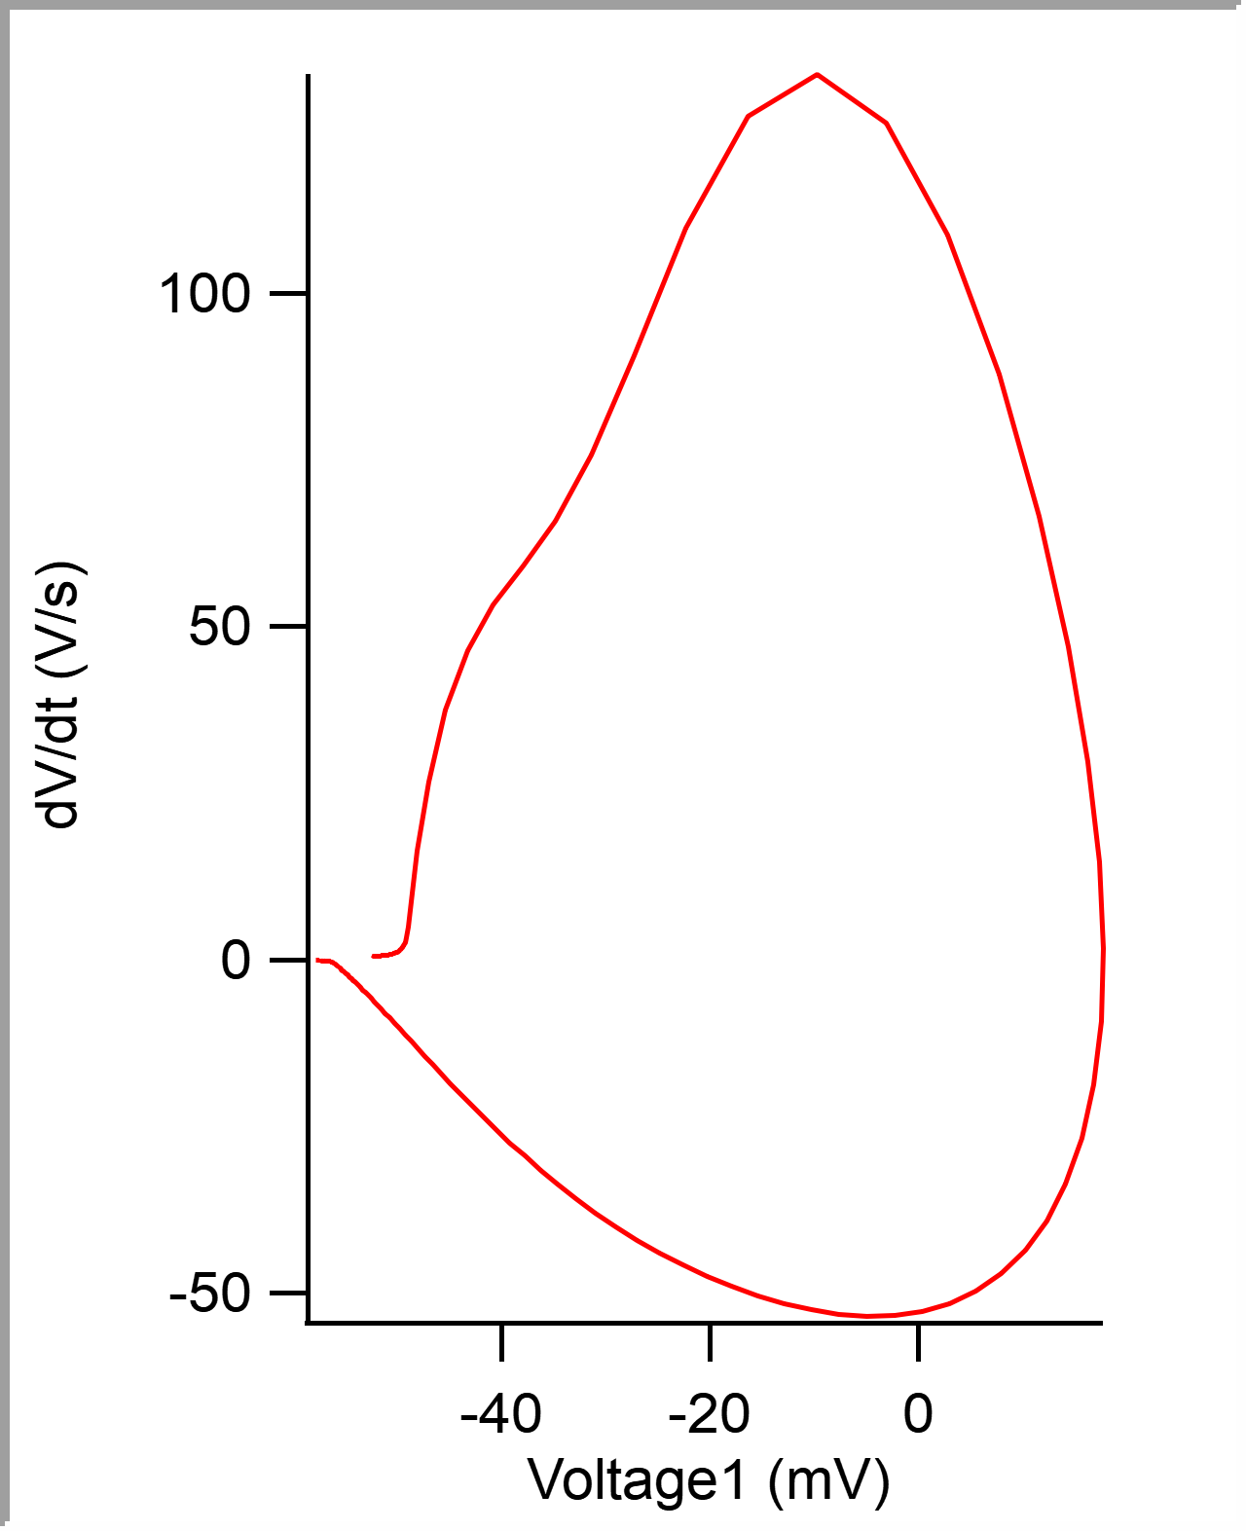
 |  |  |  |  |  |  |  |  |  |  | 0.0001 | -0.052412629 | -52.412629 | -0.051861573
 |  |  |  |  |  |  |  |  |  |  | 0.00015 | -0.05239002 | -52.39002 | -0.051782228
 |  |  |  |  |  |  |  |  |  |  | 0.0002 | -0.052367877 | -52.367877 | -0.051745605
 |  |  |  |  |  |  |  |  |  |  | 0.00025 | -0.052344274 | -52.344274 | -0.05175171
 |  |  |  |  |  |  |  |  |  |  | 0.0003 | -0.052323312 | -52.323312 | -0.051739503
 |  |  |  |  |  |  |  |  |  |  | 0.00035 | -0.05229998 | -52.29998 | -0.051715087
 |  |  |  |  |  |  |  |  |  |  | 0.0004 | -0.052277226 | -52.277226 | -0.05166626
 |  |  |  |  |  |  |  |  |  |  | 0.00045 | -0.052252498 | -52.252498 | -0.051623534
 |  |  |  |  |  |  |  |  |  |  | 0.0005 | -0.05222727 | -52.22727 | -0.051574707
 |  |  |  |  |  |  |  |  |  |  | 0.00055 | -0.052201945 | -52.201945 | -0.051519774
 |  |  |  |  |  |  |  |  |  |  | 0.0006 | -0.05217693 | -52.17693 | -0.051495362
 |  |  |  |  |  |  |  |  |  |  | 0.00065 | -0.052153662 | -52.153662 | -0.051470947
 |  |  |  |  |  |  |  |  |  |  | 0.0007 | -0.052128486 | -52.128486 | -0.051416017
 |  |  |  |  |  |  |  |  |  |  | 0.00075 | -0.052102637 | -52.102637 | -0.051409911
 |  |  |  |  |  |  |  |  |  |  | 0.0008 | -0.052080166 | -52.080166 | -0.051397704
 |  |  |  |  |  |  |  |  |  |  | 0.00085 | -0.052055135 | -52.055135 | -0.051361084
 |  |  |  |  |  |  |  |  |  |  | 0.0009 | -0.052032087 | -52.032087 | -0.051330566
 |  |  |  |  |  |  |  |  |  |  | 0.00095 | -0.052006252 | -52.006252 | -0.051287841
 |  |  |  |  |  |  |  |  |  |  | 0.001 | -0.051981155 | -51.981155 | -0.051232912
 |  |  |  |  |  |  |  |  |  |  | 0.00105 | -0.05195687 | -51.95687 | -0.051184081
 |  |  |  |  |  |  |  |  |  |  | 0.0011 | -0.051930379 | -51.930379 | -0.051153563
 |  |  |  |  |  |  |  |  |  |  | 0.00115 | -0.051904988 | -51.904988 | -0.051123045
 |  |  |  |  |  |  |  |  |  |  | 0.0012 | -0.051877983 | -51.877983 | -0.051104736
 |  |  |  |  |  |  |  |  |  |  | 0.00125 | -0.051851772 | -51.851772 | -0.051086426
 |  |  |  |  |  |  |  |  |  |  | 0.0013 | -0.051825579 | -51.825579 | -0.0510437
 |  |  |  |  |  |  |  |  |  |  | 0.00135 | -0.051798943 | -51.798943 | -0.051019289
 |  |  |  |  |  |  |  |  |  |  | 0.0014 | -0.051772192 | -51.772192 | -0.050988771
 |  |  |  |  |  |  |  |  |  |  | 0.00145 | -0.051742349 | -51.742349 | -0.050964355
 |  |  |  |  |  |  |  |  |  |  | 0.0015 | -0.051713992 | -51.713992 | -0.050927736
 |  |  |  |  |  |  |  |  |  |  | 0.00155 | -0.051684476 | -51.684476 | -0.05090332
 |  |  |  |  |  |  |  |  |  |  | 0.0016 | -0.051657323 | -51.657323 | -0.050872803
...

c7_R11
Peak Time (ms) | AHP m(V) | AHP Time (ms) | Interevent Interval (s) | Max Slope (V/s) | Min Slope (V/s) | Max/Min dV/dt | AP Duration @ 50% (s) | Number of Events | Time | First Event |  | Last Event
0.37198141415 | -58.544090449 | 8.4221362604 | 30.926242012 | 93.417991529 | -31.762091498 | 2.9411788431 | 1.7843379824 | 323 | X | Y (V) | Y (mV) | Y (V) | Y (mV)
 |  |  |  |  |  |  |  |  | 0 | -0.053646304 | -53.646304 | -0.054309081 | -54.309081
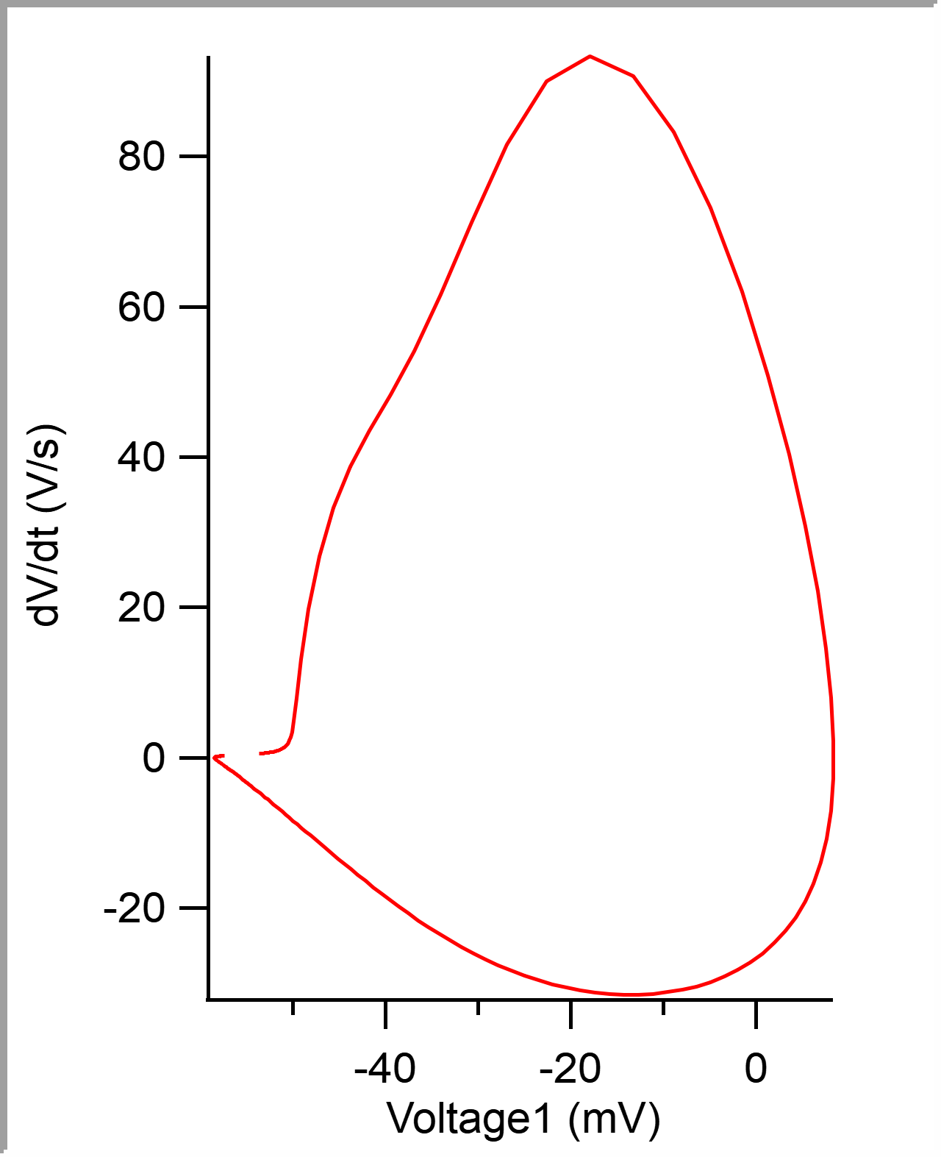
 |  |  |  |  |  |  |  |  | 5.00E-05 | -0.05361918 | -53.61918 | -0.054284669 | -54.284669
 |  |  |  |  |  |  |  |  | 0.0001 | -0.053592864 | -53.592864 | -0.054254152 | -54.254152
 |  |  |  |  |  |  |  |  | 0.00015 | -0.053565152 | -53.565152 | -0.054205321 | -54.205321
 |  |  |  |  |  |  |  |  | 0.0002 | -0.053539306 | -53.539306 | -0.054180909 | -54.180909
 |  |  |  |  |  |  |  |  | 0.00025 | -0.053511545 | -53.511545 | -0.054168701 | -54.168701
 |  |  |  |  |  |  |  |  | 0.0003 | -0.053483833 | -53.483833 | -0.054138184 | -54.138184
 |  |  |  |  |  |  |  |  | 0.00035 | -0.053457584 | -53.457584 | -0.054095458 | -54.095458
 |  |  |  |  |  |  |  |  | 0.0004 | -0.053430229 | -53.430229 | -0.054058839 | -54.058839
 |  |  |  |  |  |  |  |  | 0.00045 | -0.053402495 | -53.402495 | -0.054022215 | -54.022215
 |  |  |  |  |  |  |  |  | 0.0005 | -0.053375058 | -53.375058 | -0.053973388 | -53.973388
 |  |  |  |  |  |  |  |  | 0.00055 | -0.053346541 | -53.346541 | -0.053924561 | -53.924561
 |  |  |  |  |  |  |  |  | 0.0006 | -0.053318053 | -53.318053 | -0.053881835 | -53.881835
 |  |  |  |  |  |  |  |  | 0.00065 | -0.053289272 | -53.289272 | -0.05383911 | -53.83911
 |  |  |  |  |  |  |  |  | 0.0007 | -0.053260621 | -53.260621 | -0.05378418 | -53.78418
 |  |  |  |  |  |  |  |  | 0.00075 | -0.053230744 | -53.230744 | -0.053771973 | -53.771973
 |  |  |  |  |  |  |  |  | 0.0008 | -0.053200718 | -53.200718 | -0.053710938 | -53.710938
 |  |  |  |  |  |  |  |  | 0.00085 | -0.053169824 | -53.169824 | -0.05366211 | -53.66211
 |  |  |  |  |  |  |  |  | 0.0009 | -0.053138532 | -53.138532 | -0.053625487 | -53.625487
 |  |  |  |  |  |  |  |  | 0.00095 | -0.053107254 | -53.107254 | -0.053588867 | -53.588867
 |  |  |  |  |  |  |  |  | 0.001 | -0.053074371 | -53.074371 | -0.053564452 | -53.564452
 |  |  |  |  |  |  |  |  | 0.00105 | -0.053039558 | -53.039558 | -0.05352173 | -53.52173
 |  |  |  |  |  |  |  |  | 0.0011 | -0.053004298 | -53.004298 | -0.053466797 | -53.466797
 |  |  |  |  |  |  |  |  | 0.00115 | -0.05296817 | -52.96817 | -0.053436279 | -53.436279
 |  |  |  |  |  |  |  |  | 0.0012 | -0.052929759 | -52.929759 | -0.053405762 | -53.405762
 |  |  |  |  |  |  |  |  | 0.00125 | -0.052891199 | -52.891199 | -0.053375244 | -53.375244
 |  |  |  |  |  |  |  |  | 0.0013 | -0.052851487 | -52.851487 | -0.053350829 | -53.350829
 |  |  |  |  |  |  |  |  | 0.00135 | -0.052811049 | -52.811049 | -0.053326417 | -53.326417
 |  |  |  |  |  |  |  |  | 0.0014 | -0.052768912 | -52.768912 | -0.053308107 | -53.308107
 |  |  |  |  |  |  |  |  | 0.00145 | -0.052724857 | -52.724857 | -0.053283691 | -53.283691
 |  |  |  |  |  |  |  |  | 0.0015 | -0.05267854 | -52.67854 | -0.053259276 | -53.259276
...

